1. Title Page
[Instacart Data Analysis Project]

Project Name: Instacart Data Analysis Project
Date:11/18/2023
Analyst Name: Justin Kim

Contents:
Population Flow
Consistency checks
Wrangling steps
Column derivations
Visualizations
Recommendations

2. Population Flow
 |  |  | Title page

Population flow

Exclusion flag
Condition: max_order <
Obervations to be removed:
Final total count of order_products_all:

Orders_products_combined
Orders_products_merged
Orders_products_all

Total:
Total:
Total:
32434489 | 32404859 | 32404859

1.) The grey boxes in the first row of the population flow represent the original data sets as they were when you downloaded them. In the Total fields you need to add the count of the rows when you imported the data set into Jupyter.
2.) The second row of boxes (coloured) represents the data sets after you manipulated them, e.g., removed missing values and duplicates. In the Total fields you need to add the count of the rows after conducting these operations. This offers a visual oveview of how the data flows throughout the data consistency checks.
3.) The third row, where also the arrows are coloured, represents the merges you performed between the datasets. In the Total fields you need to add the count of the rows in the merged datasets, so that you end up with the final dataset (in the red box). Keep in mind the final dataset should be without exclusions (based on the exclusion flag).

3. Consistency checks
 |  |  |  | Title page
Consistency checks

Dataset | Missing values | Missing values treatment | Duplicates
orders | 206209 values missing in days since prior order | I decided to replace the missing values with the overall mean value | no duplicates found
products | 16 missing values in product_name | created a new subset df_prods_clean with the removed values | 5 duplicates were found, so a new df was made with both missing values and duplicates removed
orders_products_prior | no missing values were found in the check due to orders and products being cleaned prior | no treatment | no duplicates found
customers | there were 11259 rows missing in the first_name column | I removed the rows | no duplicates found
Region - price Crosstab | no missing values found | no treatment | no duplicates found
Region - income crosstab | no missing values found | no treatment | no duplicates found
region - department crosstab | no missing values found | no treatment | no duplicates found
region - family crosstab | no missing values found | no treatment | no duplicates found
department- income crosstab | no missing values found | no treatment | no duplicates found
department - family crosstab | no missing values found | no treatment | no duplicates found
department - age crosstab | no missing values found | no treatment | no duplicates found

4. Wrangling steps
 |  |  |  | Title page
Wrangling steps

Columns dropped | Columns renamed | Columns' type changed | Comment/Reason
eval_set in df_ords dropped | order_dow renamed to order_day_of_week renamed in df_ords | in df_ords, order_id and user_id changed to str | the eval set was removed because it did not provide any evidence to support analysis. The dow was changed so others can know the column is meant for the day of the week, and both the order and user_id were changed to string because the numbers signify a unique number and not a measurement

Data Concern
Sensitive and private information that I can see among the data would be the customer's first name, last name, and income as it can be deemed as private information of what customers order.

5. Column derivations
 |  |  |  | Title page

Column derivations and aggregations

In this tab you should add tables below that the frequences of flags/label variables that you produced after deriving them. NB: don't do this for continuous variables, only for flags.
Dataset | New column | Column/s it was derived from | Conditions
df_ords_prods_merged | price_range_loc | price | based on the level of price, this column defines it as either low, mid, or high range product
df_ords_prods_merged | busiest_day | order_day_of_week | looking at the frequency of the day of the week, an in loop function is made to see if it’s a busy or non busy day
df_ords_prods_merged | busiest_days | order_day_of_week | looking at the frequency of the day of the week, an in loop function is made to see if it’s a busy or non busy day. The difference with the one above is that I am taking the top two and bottom two days as labeled busiest and least busy
df_ords_prods_merged | busiest_period_of_day | order_hour_of_day | this condition is based on the frequency of hours during instacart orders. Top 8 is regarded as highest orders, middle 8 is average, and bottom 8 is fewest
df_prods_merged_flags | max order | order_number | this function is grouping the dataframe by user id and finding the max value in the order_column
df_prods_merged_flags | loyalty flag | max_order | this column uses the max order column, and depending on the value, lists the user_id as either as loyal, regular, or new customer
df_prods_merged_flags | average_price | prices | this function takes the prices column grouped by user id and finds the mean price value
df_prods_merged_flags | spending flag | average_price | this column uses the average_price column and labels if the user is a high or low spender based on if the average prices is above or lower 10
df_prods_merged_flags | median_days_since_prior_order | days_since_prior_order | this column takes the days_since prior_order column grouped by user id and finds the median of each user
df_prods_merged_flags | frequency flag | median_days_since_prior_order | this column takes the median days column, and based on the value labels it as a non-frequent, regular, or frequent customer.
ords_prods_customer | order_sum | order_number | this column was created to track the number of orders from each user
ords_prods_customer | exclusion flag | order_sum | This column was to filter out users with less than 5 total orders.
ords_prods_customer | age_group_flag | age | this column identifies the age category and places on whether the user is an adolescent, adult, or elderly
ords_prods_customer | income_group_flag | income | this column identifies income level and categorizes it as lower, middle, or high class
ords_prods_customer | department_item | department_id | using a data dictionary to follow the department id and categorize them into the specific item.
ords_prods_customer | family_flag | num_of_dependants | based on the number of dependants, this flag indicates whether the customer has no kids, a nuclear family, or a bigger family

6. Visualizations
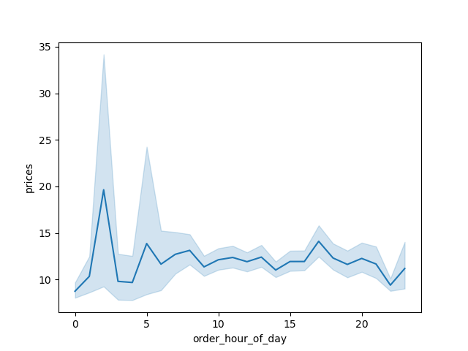
 |  |  |  |  | Title page

Visualisations

In this tab you should include all the visualtions from Exercises 4.9 and 4.10, alongside the questions from the project brief that they answer. Include any commentary on the relationship between different variables.

 |  |  |  | 4.9 visualizations |  | 4.10 Visualizations

 | This visualization shows the distribution of orders throughout the week, which aids in Key Question 1 in finding most popular times the Instacart app is utilized. |  |  | This visualization is a scatterplot between age and income, there is a correlation that the higher age customers range in higher income. |  | This Visualization is a bar chart profiling Instacart customer age groups.


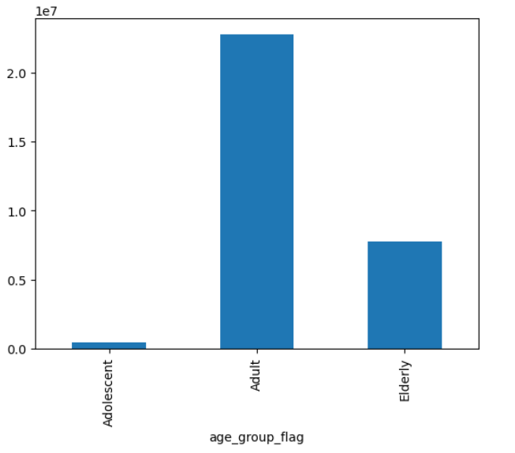


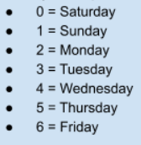

 |  |  | This visualization is a line chart seeing the correlation between age and number of dependants. There is no correlation


This visualization is a line graph representing the distribution of priced items throughout the week. This aids in answering Key Question # 2 |  |  |  |  |  |  | This Visualization is a bar chart profiling Instacart customer income groups.

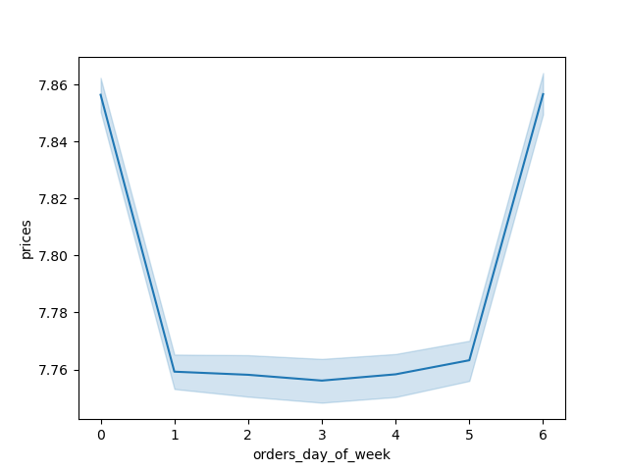
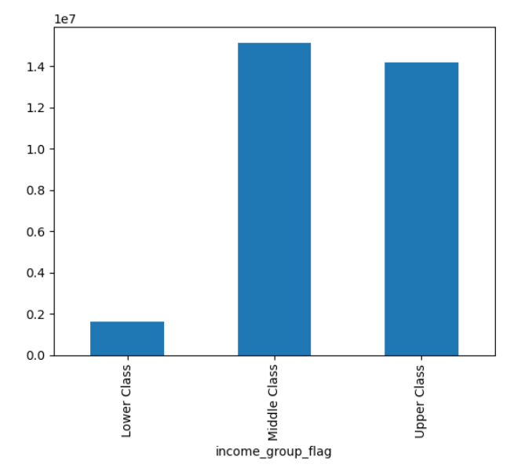

 |  |  | This visualization is a bar chart comparing the frequency of customer loyalty types
This visualization represents the frequency of pricing for Instacart Items. This aids in answering Key Question # 3 and Question #1. |  |  |  |  |  |  | This Visualization is a bar chart profiling what Instacart customers purchase. This visualization aids in answering Key Question # 4

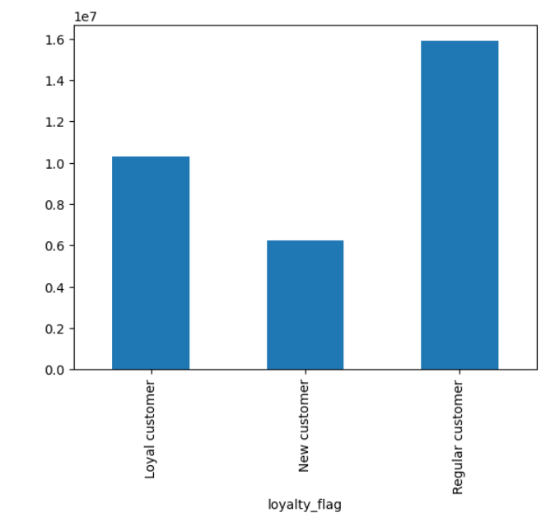
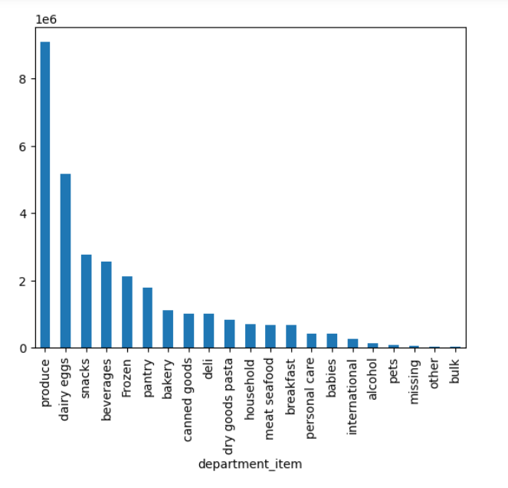



 |  | This visualization is a histogram of the frequency of orders based on the hour of the day.

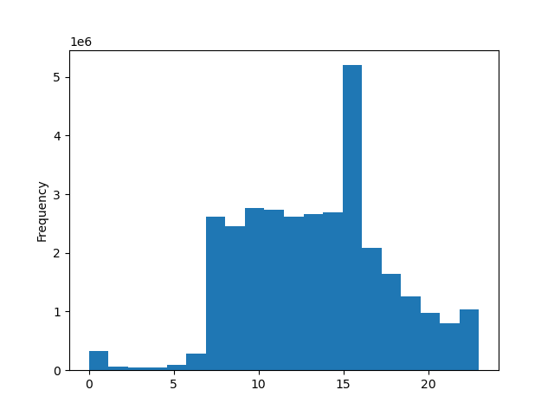

 |  | This visualization represents the correlation between prices and hour_of_day, there seems to be not a correlation but a time of day when higher priced orders are being placed. This is used to help answer Key Question #1

7. Recommendations
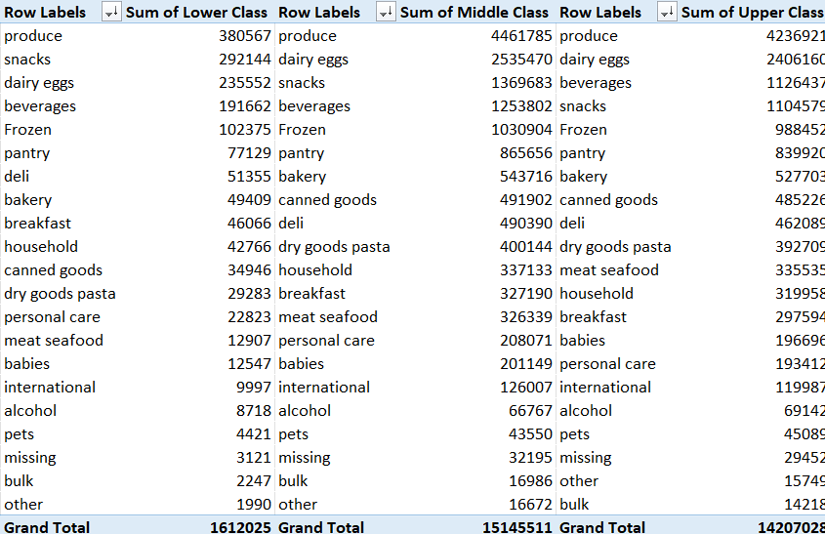
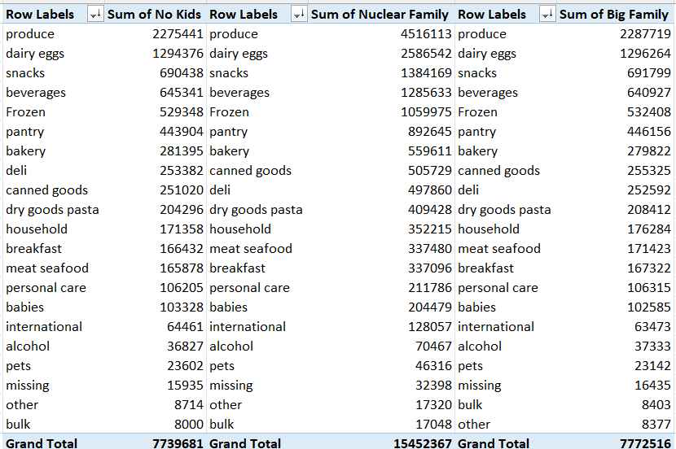
 |  |  | Title page

Recommendations

In this tab you should include any recommendations you would made to Instcart in terms of their marketing strategy based on the questions posed in the brief. Every key question has been covered in the Tasks of the Exercises - here you need to add an item - a visualisation or table/crosstable that is showing the answer in the data, acompanied by a comment from you. Please, list the questions below and add the answer underneath.

 | 1) The sales team needs to know what the busiest days of the week and hours of the day are (i.e., the days and times with the most orders) in order to schedule ads at times when there are fewer orders.

 |  | Analysis: The following visuals below represent the distrubiton of orders throughout the week as well as throughout a 24 hour period. My reccommendation for the sales team is to target ads from Friday to Sunday during the week when orders are the highest. During those days I would also reccommend sending more ads from 10:00 AM to 3:00 PM to engage with the most amount of Instacart customers. There is a large hike of customers at 3:00 pm specifically.

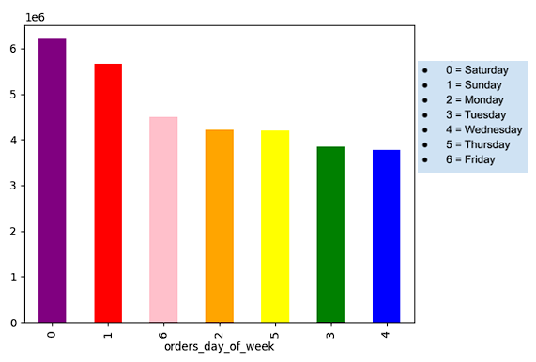

 | 2) They also want to know whether there are particular times of the day when people spend the most money, as this might inform the type of products they advertise at these times.

 |  | Analysis: The visualization to the right is a line chart distribution of prices throughout the day from the Instacart app. My reccommendation is to increase adds during 3-5 AM, which shows a growth in customers. This may be due to customers during this time ordering obscurely pricey items during these hours.

 | 3) Instacart has a lot of products with different price tags. Marketing and sales want to use simpler price range groupings to help direct their efforts.

 |  | Analysis: This visualization is a histogram of pricing for all Instacart items. My reccommendation is to limit price ranges of majority of items from $2 - $15 as well as a smaller assortment of items that range from $15 - $25 items.

 | 4) Are there certain types of products that are more popular than others? The marketing and sales teams want to know which departments have the highest frequency of product orders

 |  | Analysis: This visualization is a bar chart comparing the top selling items on Instacart. The analysis shows that amongs all customers, produce is the top selling item on Instacart. An observation I see is that the top items are consistent amongst all customers, which is everyday groceries for lunches and meals that represent a well balanced diet. My reccommendation is to create Instacart bundle deals that include the top selling items.

 | 5) The marketing and sales teams are particularly interested in the different types of customers in their system and how their ordering behaviors differ. For example: ○ What’s the distribution among users in regards to their brand loyalty (i.e., how often do they return to Instacart)? ○ Are there differences in ordering habits based on a customer’s loyalty status? ○ Are there differences in ordering habits based on a customer’s region? ○ Is there a connection between age and family status in terms of ordering habits? ○ What different classifications does the demographic information suggest? Age? Income? Certain types of goods? Family status? ○ What differences can you find in ordering habits of different customer profiles? Consider the price of orders, the frequency of orders, the products customers are ordering, and anything else you can think of.

 | This visualization is a bar chart comparing types of customers that have consistently used Instacart on a regular basis. It is evident that majority of Instacart customers are regular customers, and the minority of customers are new customers. My reccommendation is to include an incentive program that will reward regular customers to use Instacart more consistently in order to grow loyal customers..

 | This visualization is a bar chart representing Instacart customers and their income group level. This chart shows that most customers either fall into the middle or upper class of income (middle = 40k - 100k, upper = 100k+). My reccommendation is to create an incentive program that is geared towards the lower class that is unable to afford expensive groceries. Including cheaper stores such as Dollar Tree and .99 cent store can be inclusions that can attract new customers.

 | Sum of Midwest | Sum of Northeast | Sum of South | Sum of West
Lower Class | 373583 | 283124 | 552104 | 403214
Middle Class | 3487837 | 2665077 | 5095464 | 3897133
Upper Class | 3400093 | 2516484 | 4663571 | 3626880
This visualization is a bar chart comparing customer region and income class. My reccommendation is to continue to foster a growth in the West and South region, such as partnering with more local stores and farmer markets. Another reccommendation is to increase efforts to build the Northeast Region, as they struggle to be in the top 3 regions by increasing options in those areas.

Family Group By Region
 | Midwest | Northeast | South | West
No Kids | 1822816 | 1354482 | 2581933 | 1980450
Nuclear Family | 3651411 | 2728970 | 5143342 | 3928644
Big Family | 1787286 | 1381233 | 2585864 | 2018133
This visualization is a bar chart comparing family group situation by Region. ( Nuclear family represents customers with 2 kids) Since most of Instacart's customers have 2 kids, it is evident to say their Instacart orders is used to help supply resources for family meals and school lunches. My reccommendation is to create family oriented campaigns that include items for both parents and kids.

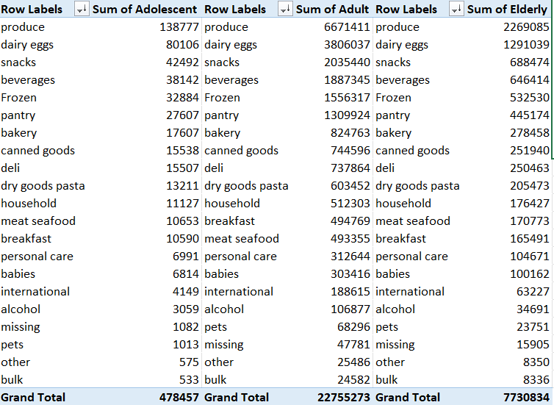
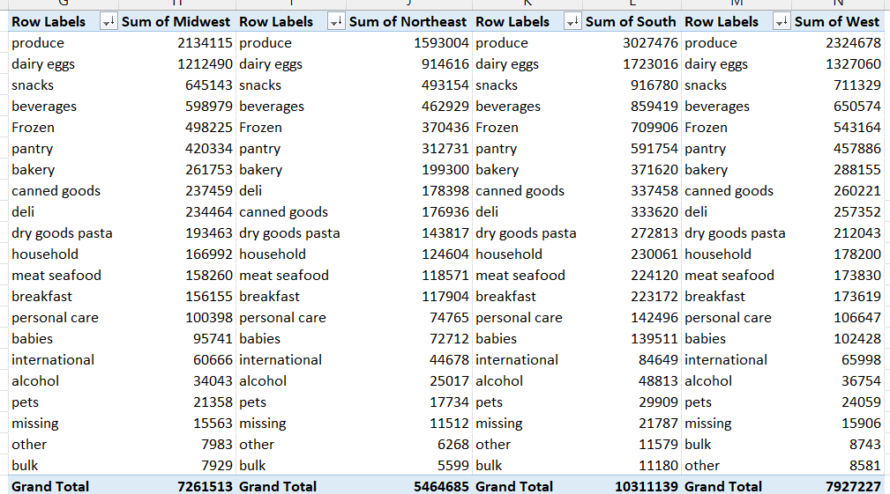

The following on the right is cross tabbed pivot charts of department items with customer profiles such as region, income, age, and family situation. Based on the analysis, it is safe to say that the top products ordered is consistent amongst all customers. My reccommendation is to create incentive programs that bundle the top products in order to satisfy customers with an easy option to order products. For example: Instacart can create a fun interactive program where customers can pick 1 item from the top products (produce, dairy eggs, snacks, beverages, frozen, etc.) for a bundled price .

Region-Income Crosstab
income_group_flag | Midwest | Northeast | South | West | Row Labels | Sum of Midwest | Sum of Northeast | Sum of South | Sum of West
Lower Class | 373583 | 283124 | 552104 | 403214 | Lower Class | 373583 | 283124 | 552104 | 403214
Middle Class | 3487837 | 2665077 | 5095464 | 3897133 | Middle Class | 3487837 | 2665077 | 5095464 | 3897133
Upper Class | 3400093 | 2516484 | 4663571 | 3626880 | Upper Class | 3400093 | 2516484 | 4663571 | 3626880
 | 7261513 | 5464685 | 10311139 | 7927227 | Grand Total | 7261513 | 5464685 | 10311139 | 7927227

 | total sum | 30964564 |  |  |  |  |  |  |  | Analysis: This visualization describes the relationship between Income Group and Region. This aids in answering Key Question #5.
 | midwest percentage | 23.45%
 | Northeast | 17.65%
 | South | 33.30%
 | West | 25.60%

Region - family flag crosstab
Family Group By Region
family_flag | Midwest | Northeast | South | West | Analysis: This visualization describes the relationship between Family Group and Region. This aids in answering Key Question #5.
No Kids | 1822816 | 1354482 | 2581933 | 1980450
Nuclear Family | 3651411 | 2728970 | 5143342 | 3928644
Big Family | 1787286 | 1381233 | 2585864 | 2018133

